Sheet1
Molecular Docking Score | Compounds (down) | Genes (right) | MAPK3 | STAT3 | ALB
 | α-hederin | -2.19 | -2.2 | -2.19
 |  | -2.03 | -2.19 | -2.19
 |  | -1.97 | -2.19 | -2.17
 | Nigellicine | -4.93 | -5.2 | -5.03
 |  | -4.91 | -5.07 | -4.95
 |  | -4.84 | -5.01 | -4.84
 | Thymohydroquinone | -2.75 | -2.59 | -2.59
 |  | -2.58 | -2.56 | -2.56
 |  | -2.54 | -2.54 | -2.54
 | Thymol | -2.42 | -2.42 | -2.26
 |  | -2.38 | -2.26 | -2.25
 |  | -2.27 | -2.24 | -2.24
 | Nigellidine | -8.1 | -6.29 | -7.05
 |  | -7.6 | -6.18 | -7.03
 |  | -7.5 | -6.16 | -6.99

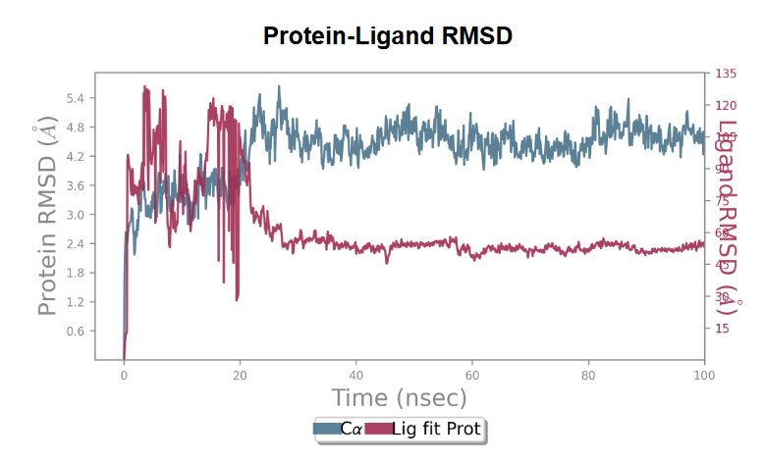
Molecular Dynamics Simulation | For ALB and Nigellidine complex

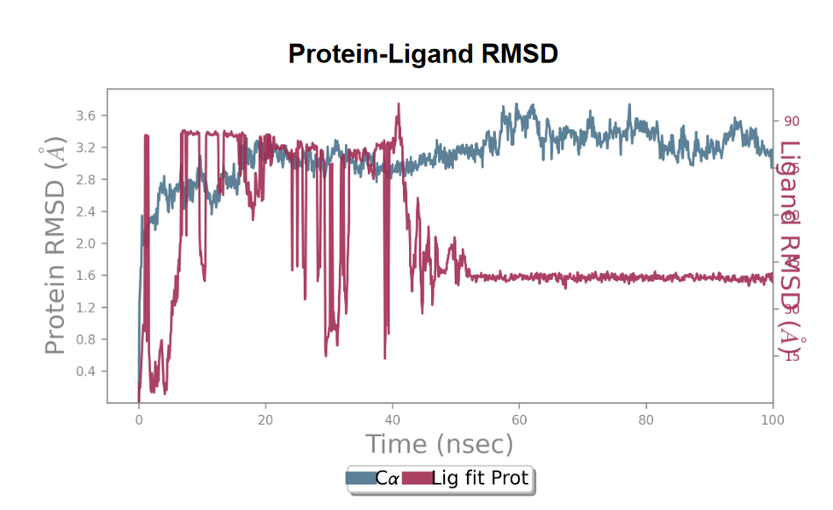
 | For STAT3 and Nigellidine complex

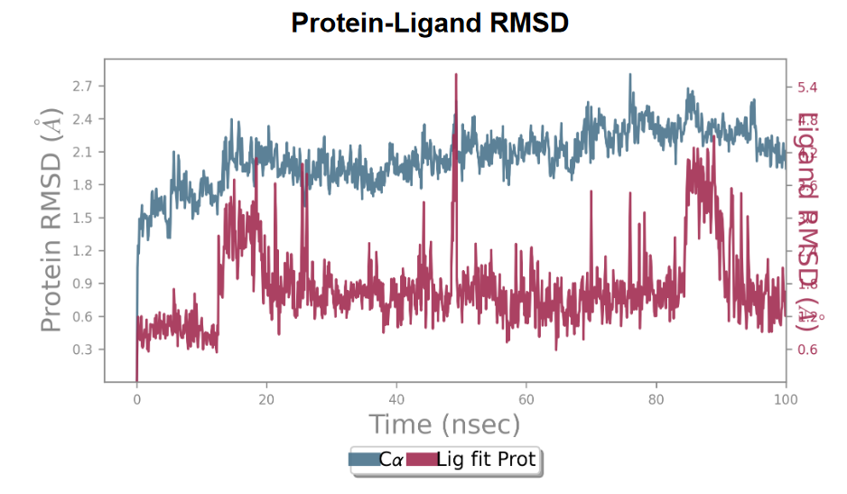
 | For MAPK3 and Nigellidine complex

